Exercise Configurations
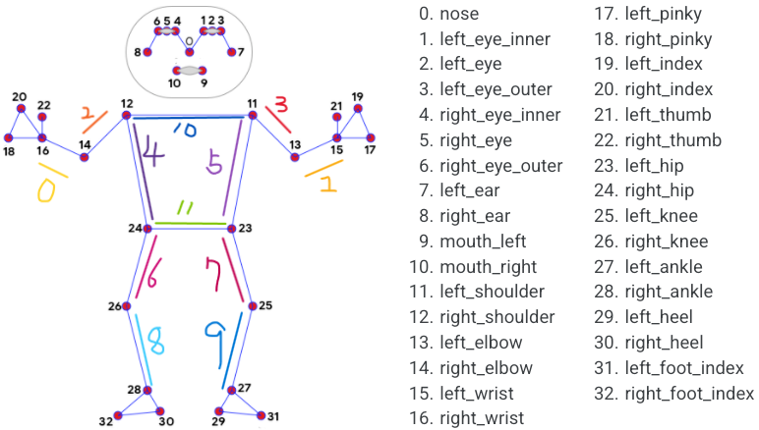
Exercise Name | Focus Pos Only List | Focus Lines Index List | Combine Letter | Count Match String List | Expect Status Change Process | Associated Exercise Title
jumprope-1_strong | 15,16,27,28 | 0,1,2,3,4,5,6,7,8,9 | @ | jumprope_Jump@jumprope_land | jumprope_Jump,jumprope_land | 跳繩測試
jumprope-1_normal | 11,12,15,16,23,24,25,26,27,28 | 0,1,2,3 | @ | jumprope_Jump@jumprope_land | jumprope_Jump,jumprope_land | 跳繩測試
jumprope-1_weak | 15,16,27,28 | 0,1,2,3,4,5,6,7,8,9 | @ | jumprope_Jump@jumprope_land | jumprope_Jump,jumprope_land | 跳繩測試

